Earnings
Trading Comparables Valuation

Workout
 | Calculate LTM EBIT for GoodieFoodie Inc for period ending 27 September 2015.
 | Assume other expense / (income) is non recurring.

 | Yearly income statement
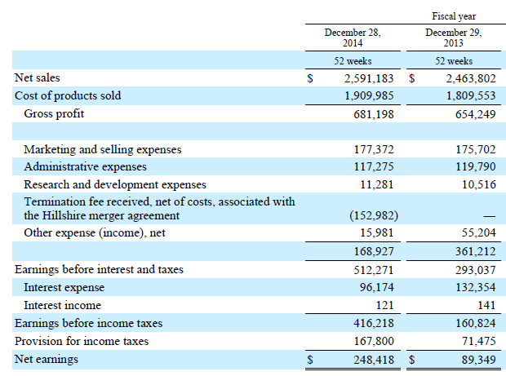

 | Quarterly income statement
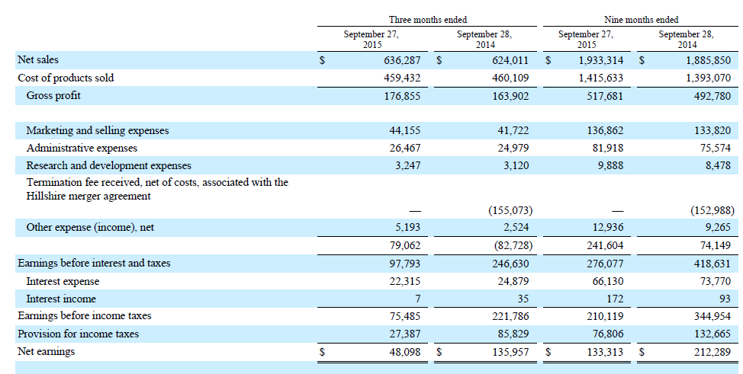

 |  | Year ending | Nine months ending
 |  | 28-Dec-14 | 27-Sep-15 | 28-Sep-14
 | Earnings before interest and taxes | 512,271.0 | 276,077.0 | 418,631.0
 | Termination fee received | (152,982.0) |  | (152,988.0)
 | Other expense / (income) | 15,981.0 | 12,936.0 | 9,265.0
 | EBIT | 375,270.0 | 289,013.0 | 274,908.0

 | LTM EBIT | 389,375.0

